Sheet1
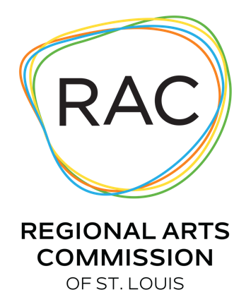
Progam Support - Grant Application Budget
 | Organization Name:
 | Program Title (same as application):
EXPENSES |  | AMOUNT BUDGETED
Salaries & Wages
 | Administrative Salaries & Benefits
 | Program Salaries & Benefits (i.e. technical and education)
 | Artist Fees & Honoraria
 | Contracted Services
 | Other

Program & Administrative Expenses
 | Rent
 | Facilitiy-Related Expenses
 | Office Supplies
 | Insurance (non-employee related)
 | Publicity & Marketing
 | Program-Related Fundraising
 | Program Supplies
 | Equipment Rental
 | Legal & Accounting Services
 | Artist-Related Travel & Lodging
 | Program Documentation / Evaluation
 | Other Expenses

Subtotal - Expenses

In-Kind Goods & Services - Expense
 | In-Kind Goods
 | In-Kind Services

TOTAL EXPENSES |  | $0.00

INCOME
Earned Income
 | Ticket Sales / Admissions
 | Tuition
 | Concession / Merchandise Sales
 | Other - Earned Income

Private Support
 | Corporate
 | Foundation
 | Individuals
 | Program-Related Fundraiser

Public Support
 | Federal
 | State
 | Local

Other
 | Applicant Cash
 | Other

In-Kind Goods & Services - Income
 | In-Kind Goods
 | In-Kind Services

REGIONAL ARTS COMMISSION REQUEST

TOTAL INCOME |  | $0.00

INCOME MINUS EXPENSES |  | $0.00

